Calvin Klein
Calvin Klein |  |  |  | Total Pieces In Stock | Total Retail Value
 |  |  |  | 20243 | $2,484,433.00
Image | Model | Description | Retail Price | Quantity | Extended Retail Price
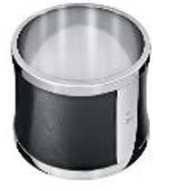 93920.JPG | KJ0DBD0901-XS | CALVIN KLEIN - "Spellbound" Stainless Steel Bangle Bracelet (Gross: 100.9gr.) - KJ0DBD0901-XS | $119.00 | 376 | $44,744.00
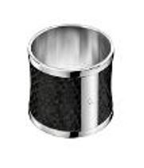 93921.JPG | KJ0DBD0902-0S | CALVIN KLEIN - "Spellbound" Stainless Steel, Black Imitation Python Bangle Bracelet (Gross: 105gr.) - KJ0DBD0902-0S | $159.00 | 194 | $30,846.00
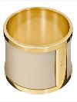 | KJ0DJD1901-XS | CALVIN KLEIN - "Spellbound" Yellow Gold Plated-PVD Stainless Steel Bangle Bracelet (Gross: 100.9gr.) - KJ0DJD1901-XS | $159.00 | 475 | $75,525.00
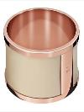 | KJ0DPD1901-XS | CALVIN KLEIN - "Spellbound" Pose Gold-Plated PVD Stainless Steel Bangle Bracelet (Gross: 100.9gr.) - KJ0DPD1901-XS | $159.00 | 335 | $53,265.00
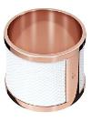 | KJ0DPD1902-XS | CALVIN KLEIN - "Spellbound" Pose Gold-Plated PVD Stainless Steel, White Imitation Python Bangle Bracelet (Gross: 100.9gr.) - KJ0DPD1902-XS | $159.00 | 15 | $2,385.00
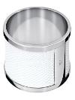 | KJ0DWD0901-XS | CALVIN KLEIN - "Spellbound" Stainless Steel, White Imitation Python Bangle Bracelet (Gross: 100.9gr.) - KJ0DWD0901-XS | $119.00 | 149 | $17,731.00
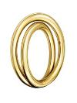 | KJ0EJR1001-06 | CALVIN KLEIN - "Continue" Yellow Gold PVD Stainless Steel Ring (Gross: 7.15gr.) - KJ0EJR1001-06 Ring Size: 6 | $89.00 | 282 | $25,098.00
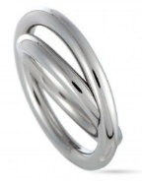 | KJ0EMR0001-05 | CALVIN KLEIN - "Continue" Stainless Steel Ring (Gross: 6.8gr.) - KJ0EMR0001-05 Ring Size: 5 | $79.00 | 468 | $36,972.00
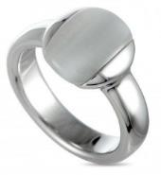 | KJ0NWR0501-06 | CALVIN KLEIN - "Devoted" Stainless Steel, Black Cat Eye Ring (Gross: 6.7gr.) - KJ0NWR0501-06 Ring Size: 6 | $99.00 | 303 | $29,997.00
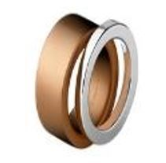 93958.JPG | KJ1DPR2801-06 | CALVIN KLEIN - "Satisfaction" Pink PVD Stainless Steel & Stainless Steel Rings Set (Gross: 16gr.) - KJ1DPR2801-06 Ring Size: 6 | $89.00 | 233 | $20,737.00
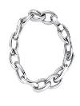 | KJ1PMB0001-XS | CALVIN KLEIN - "Desirable" Stainless Steel Bracelet (Gross: 40.4gr.) - KJ1PMB0001-XS | $139.00 | 247 | $34,333.00
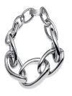 | KJ1PMB0002-XS | CALVIN KLEIN - "Desirable" Stainless Steel Bracelet (Gross: 107gr.) - KJ1PMB0002-XS | $169.00 | 39 | $6,591.00
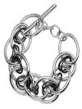 | KJ1QBB2001-XS | CALVIN KLEIN - "Forward" Black PVD Stainless Steel Bracelet (Gross: 45.9gr.) - KJ1QBB2001-XS | $139.00 | 92 | $12,788.00
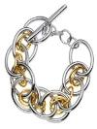 | KJ1QJB2001-XS | CALVIN KLEIN - "Forward" Yellow PVD Stainless Steel Bracelet (Gross: 45.9gr.) - KJ1QJB2001-XS | $159.00 | 44 | $6,996.00
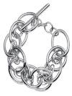 | KJ1QMB0001-XS | CALVIN KLEIN - "Forward" Stainless Steel Bracelet (Gross: 45.9gr.) - KJ1QMB0001-XS | $129.00 | 425 | $54,825.00
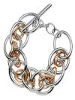 | KJ1QPB2001-XS | CALVIN KLEIN - "Forward" Pink PVD Stainless Steel Bracelet (Gross: 45.9gr.) - KJ1QPB2001-XS | $159.00 | 284 | $45,156.00
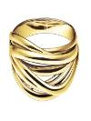 | KJ1RJD1001-XS | CALVIN KLEIN - "Crisp" Yellow PVD Stainless Steel Bangle Bracelet (Gross: 65.3gr.) - KJ1RJD1001-XS | $209.00 | 94 | $19,646.00
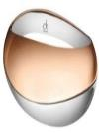 | KJ1VPD2001-0S | CALVIN KLEIN - "Empathic" Pink PVD Stainless Steel Bangle Bracelet (Gross: 71.5gr.) - KJ1VPD2001-0S | $209.00 | 72 | $15,048.00
 | KJ1VPD2001-XS | CALVIN KLEIN - "Empathic" Pink PVD Stainless Steel Bangle Bracelet (Gross: 67.8gr.) - KJ1VPD2001-XS | $209.00 | 84 | $17,556.00
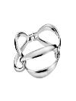 | KJ2MMD0001-XS | CALVIN KLEIN - "Lovely" Stainless Steel Bangle Bracelet (Gross: 48gr.) - KJ2MMD0001-XS | $159.00 | 229 | $36,411.00
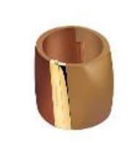 93994.JPG | KJ2RCD2901-XS | CALVIN KLEIN - "Vision" Yellow & Brown Gold -Plated Stainless Steel Bangle Bracelet (Gross: 59gr.) - KJ2RCD2901-XS | $159.00 | 284 | $45,156.00
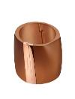 | KJ2RCD2902-0S | CALVIN KLEIN - "Vision" Pink PVD & Brown Gold-Plated Stainless Steel Bangle Bracelet (Gross: 61gr.) - KJ2RCD2902-0S | $159.00 | 60 | $9,540.00
 | KJ2RCD2902-XS | CALVIN KLEIN - "Vision" Pink PVD & Brown Gold-Plated Stainless Steel Bangle Bracelet (Gross: 59gr.) - KJ2RCD2902-XS | $159.00 | 278 | $44,202.00
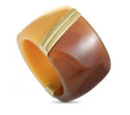 | KJ2RCR2901-06 | CALVIN KLEIN - "Vision" Yellow & Brown Gold PVD-Plated Stainless Steel Ring (Gross: 3.2gr.) - KJ2RCR2901-06 Ring Size: 6 | $85.00 | 348 | $29,580.00
 | KJ2RCR2902-06 | CALVIN KLEIN - "Vision" Yellow & Brown Gold PVD-Plated Stainless Steel Ring (Gross: 3.2gr.) - KJ2RCR2902-06 Ring Size: 6 | $85.00 | 318 | $27,030.00
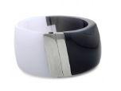 | KJ2RWD3901-0S | CALVIN KLEIN - "Vision" Stainless Steel Bangle Bracelet (Gross: 61gr.) - KJ2RWD3901-0S | $159.00 | 63 | $10,017.00
 | KJ2RWD3901-XS | CALVIN KLEIN - "Vision" Stainless Steel Bangle Bracelet (Gross: 59gr.) - KJ2RWD3901-XS | $159.00 | 129 | $20,511.00
 | KJ2RWR3901-06 | CALVIN KLEIN - "Vision" Stainless Steel Ring (Gross: 3.2gr.) - KJ2RWR3901-06 Ring Size: 6 | $85.00 | 408 | $34,680.00
 | KJ2SAD5601-0S | CALVIN KLEIN - "Abstract" Stainless Steel Bangle Bracelet (Gross: 54gr.) - KJ2SAD5601-0S | $119.00 | 1140 | $135,660.00
 | KJ2SAD5601-XS | CALVIN KLEIN - "Abstract" Stainless Steel Bangle Bracelet (Gross: 50.5gr.) - KJ2SAD5601-XS | $119.00 | 623 | $74,137.00
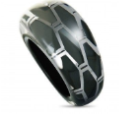 | KJ2SAR5601-06 | CALVIN KLEIN - "Abstract" Stainless Steel Ring (Gross: 4.2gr.) - KJ2SAR5601-06 Ring Size: 6 | $75.00 | 1029 | $77,175.00
 | KJ2SAR5601-07 | CALVIN KLEIN - "Abstract" Stainless Steel Ring (Gross: 4.5gr.) - KJ2SAR5601-07 Ring Size: 7 | $75.00 | 1042 | $78,150.00
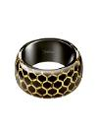 | KJ2SBD5601-0S | CALVIN KLEIN - "Abstract" Stainless Steel Bangle Bracelet (Gross: 54gr.) - KJ2SBD5601-0S | $119.00 | 334 | $39,746.00
 | KJ2SBD5601-XS | CALVIN KLEIN - "Abstract" Yellow & Black PVD Stainless Steel Bangle Bracelet (Gross: 50.5gr.) - KJ2SBD5601-XS | $119.00 | 234 | $27,846.00
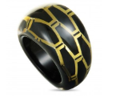 | KJ2SBR5601-06 | CALVIN KLEIN - "Abstract" Yellow & Black PVD Stainless Steel Ring (Gross: 4.2gr.) - KJ2SBR5601-06 Ring Size: 6 | $75.00 | 587 | $44,025.00
 | KJ2SCD5601-0S | CALVIN KLEIN - "Abstract" Brown & Rose Gold-Plated Stainless Steel Bangle Bracelet (Gross: 54gr.) - KJ2SCD5601-0S | $119.00 | 514 | $61,166.00
 | KJ2SCD5601-XS | CALVIN KLEIN - "Abstract" Brown & Rose Gold-Plated Stainless Steel Bangle Bracelet (Gross: 50.5gr.) - KJ2SCD5601-XS | $119.00 | 149 | $17,731.00
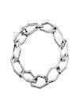 | KJ2TMB0001-0S | CALVIN KLEIN - "Abstract" Stainless Steel Bracelet (Gross: 10.2gr.)- KJ2TMB0001-0S | $109.00 | 434 | $47,306.00
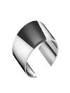 | KJ2ZAF2901-XS | CALVIN KLEIN - "Distinct" Stainless Steel Bangle Bracelet (Gross: 119 gr.) - KJ2ZAF2901-XS | $159.00 | 436 | $69,324.00
 | KJ2ZAR2901-06 | CALVIN KLEIN - "Distinct" Stainless Steel Ring (Gross: 13.5gr.) - KJ2ZAR2901-06 Ring Size: 6 | $95.00 | 458 | $43,510.00
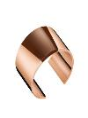 | KJ2ZCF2902-XS | CALVIN KLEIN - "Distinct" Rose & Brown Gold-Plated PVD Stainless Steel Bangle Bracelet (Gross: 119gr.) - KJ2ZCF2902-XS | $229.00 | 313 | $71,677.00
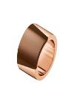 | KJ2ZCR2902-06 | CALVIN KLEIN - "Distinct" Rose & Brown Gold-Plated PVD Stainless Steel Ring (Gross: 13.5gr.) - KJ2ZCR2902-06 Ring Size: 6 | $119.00 | 434 | $51,646.00
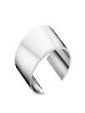 | KJ2ZWF2901-0S | CALVIN KLEIN - "Distinct" Stainless Steel Bangle Bracelet (Gross: 131gr.) - KJ2ZWF2901-0S | $159.00 | 22 | $3,498.00
 | KJ2ZWF2901-XS | CALVIN KLEIN - "Distinct" Stainless Steel Bangle Bracelet (Gross: 119gr.) - KJ2ZWF2901-XS | $159.00 | 288 | $45,792.00
 | KJ2ZWR2901-06 | CALVIN KLEIN - "Distinct" Stainless Steel Ring (Gross: 13.5gr.) - KJ2ZWR2901-06 Ring Size: 6 | $95.00 | 291 | $27,645.00
 | KJ3BMR0001-10 | CALVIN KLEIN - "Abstract" Stainless Steel Ring (Gross: 8.3gr.) - KJ3BMR0001-10 Ring Size: 10 | $99.00 | 1102 | $109,098.00
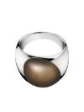 | KJ3QCD0201-0S | CALVIN KLEIN - "Ellipse" Stainless Steel, Brown Synthetic Stone Bangle Bracelet (Gross: 83gr.) - KJ3QCD0201-0S | $239.00 | 237 | $56,643.00
 | KJ3QCD0201-XS | CALVIN KLEIN - "Ellipse" Stainless Steel, Brown Synthetic Stone Bangle Bracelet (Gross: 79gr.) - KJ3QCD0201-XS | $239.00 | 571 | $136,469.00
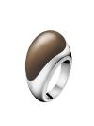 | KJ3QCR0201-06 | CALVIN KLEIN - "Ellipse" Stainless Steel, Brown Synthetic Stone Ring (Gross: 22gr.) - KJ3QCR0201-06 Ring Size: 6 | $149.00 | 903 | $134,547.00
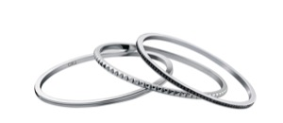 94248.JPG | KJ81BD0501-XS | CALVIN KLEIN - "Astound" Stainless Steel, Black Cubic Ziroconia Bangle Bracelet Set - KJ81BD0501-XS | $129.00 | 172 | $22,188.00
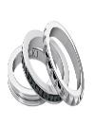 | KJ81BR0501-05 | CALVIN KLEIN - "Astound" Stainless Steel, Black Cubic Ziroconia Ring Set (Gross: 9.5gr.) - KJ81BR0501-05 Ring Size: 5 | $95.00 | 288 | $27,360.00
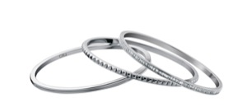 | KJ81WD0501-XS | CALVIN KLEIN - "Astound" Stainless Steel Bangle Bracelet Set (Gross: 41.5gr.) - KJ81WD0501-XS | $129.00 | 30 | $3,870.00
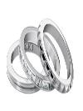 | KJ81WR0501-05 | CALVIN KLEIN - "Astound" Stainless Steel Ring Set (Gross: 9.5gr.) - KJ81WR0501-05 Ring Size: 5 | $95.00 | 398 | $37,810.00
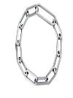 | KJ92MB0001-0S | CALVIN KLEIN - "Brisk" Stainless Steel Bracelet (Gross: 20.2gr.) - KJ92MB0001-0S | $139.00 | 30 | $4,170.00
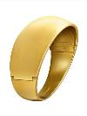 | KJ93JD1101-XS | CALVIN KLEIN - "Billow" Yellow Gold PVD Stainless Steel Bangle Bracelet (Gross: 100gr.) - KJ93JD1101-XS | $209.00 | 125 | $26,125.00
 | KJ93JR1101-06 | CALVIN KLEIN - "Billow" Yellow Gold PVD Stainless Steel Ring (Gross: 16.4gr.) - KJ93JR1101-06 Ring Size: 6 | $119.00 | 198 | $23,562.00
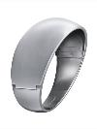 | KJ93MD0101-XS | CALVIN KLEIN - "Billow" Stainless Steel Bangle Bracelet (Gross: 100gr.) - KJ93MD0101-XS | $179.00 | 67 | $11,993.00
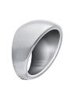 | KJ93MR0101-06 | CALVIN KLEIN - "Billow" Stainless Steel Ring (Gross: 16.4gr.) - KJ93MR0101-06 Ring Size: 6 | $99.00 | 359 | $35,541.00
 | KJ94MR0001-06 | CALVIN KLEIN - "Born" Stainless Steel Ring (Gross: 4.48gr.) - KJ94MR0001-06 Ring Size: 6 | $79.00 | 513 | $40,527.00
95182.JPG | KJ0DJD1901-0S | CALVIN KLEIN - "Spellbound" Yellow Gold Plated-PVD Stainless Steel Bangle Bracelet (Gross: 105gr.) - KJ0DJD1901-0S | $159.00 | 412 | $65,508.00
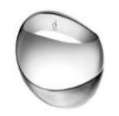 95185.JPG | KJ1VMD0801-0S | CALVIN KLEIN - "Empathic" Stainless Steel Bangle Bracelet (Gross: 71.5gr.) - KJ1VMD0801-0S | $159.00 | 61 | $9,699.00
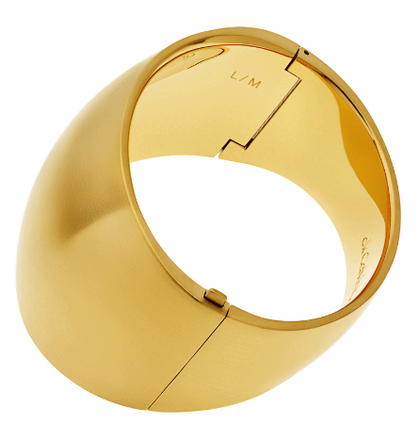 | KJ93JD1101-0S | Calvin Klein Billow Yellow Gold PVD Stainless Steel Bracelet KJ93JD1101-0S | $209.00 | 3 | $627.00
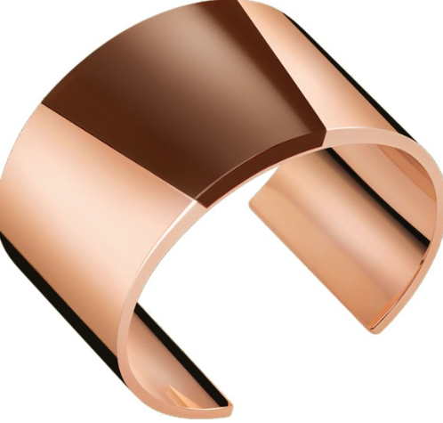 | KJ2ZCF2902-0S | Calvin Klein Distinct Stainless Steel And Gold PvD Bracelet KJ2ZCF2902-0S | $229.00 | 32 | $7,328.00
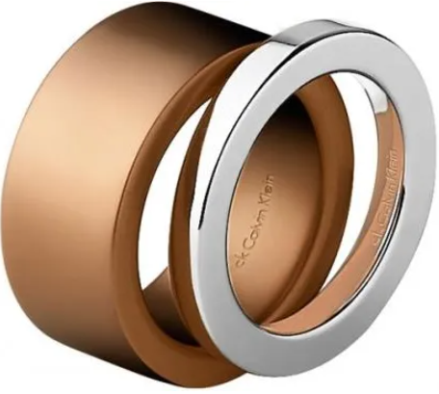 | KJ1DPR2801-09 | Calvin Klein Satisfaction Pink PVD & Stainless Steel Rings Set KJ1DPR2801-09 | $89.00 | 1 | $89.00
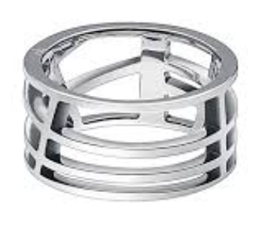 | KJ1TMR0001-05 | Calvin Klein - "Draw" Stainless Steel Ring KJ1TMR0001-05 | $75.00 | 15 | $1,125.00
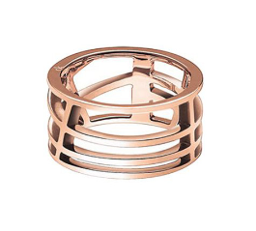 | KJ1TPR1001-05 | Calvin Klein - "Draw" Pink PVD Stainless Steel Ring KJ1TPR1001-05 | $99.00 | 26 | $2,574.00
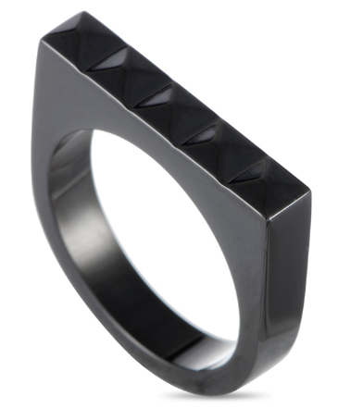 | KJ3CBR1001-06 | Calvin Klein - "Edge" Black PVD Stainless Steel Ring KJ3CBR1001-06 | $95.00 | 44 | $4,180.00

